Determining Allowable FFE
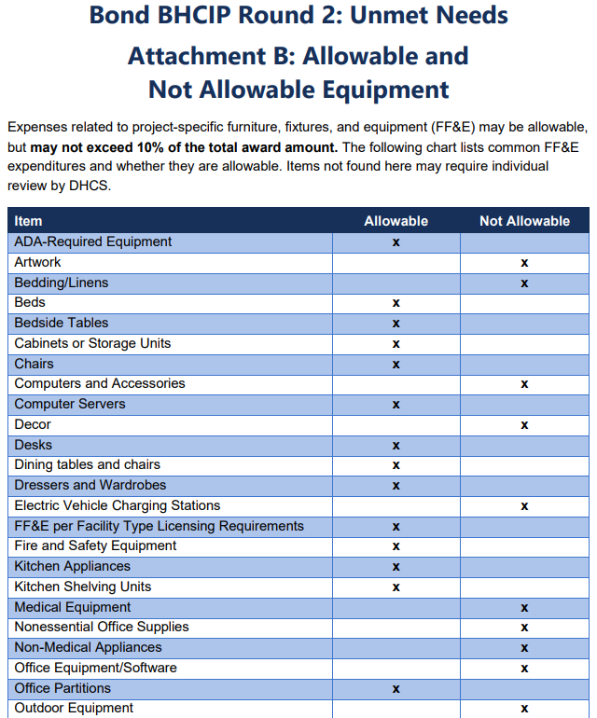

MHRC Staffing Considerations
Based on Title 9 CCR §784.00–§785.34 and §663 (Minimum Staff), here’s a recommended staffing plan for a Mental Health Rehabilitation Center (MHRC) with 60 beds:

Each MHRC must have:
A Director responsible for administration and management (§784.00).
Adequate qualified personnel for health and safety (§784.00(e)).
Nursing coverage 24/7 (§785.00).
Minimum ratios (scaled from §663 for 100 patients):
Physicians: 5 per 100 → 3 for 60 beds
Psychologists: 2 per 100 → 1–2 for 60 beds
Social Workers: 2 per 100 → 1–2 for 60 beds
Nurses (RN/LVN/Psych Technician): 20 per 100 → 12 for 60 beds
Other Mental Health Personnel: 25 per 100 → 15 for 60 beds

